Trades - LifeCycle
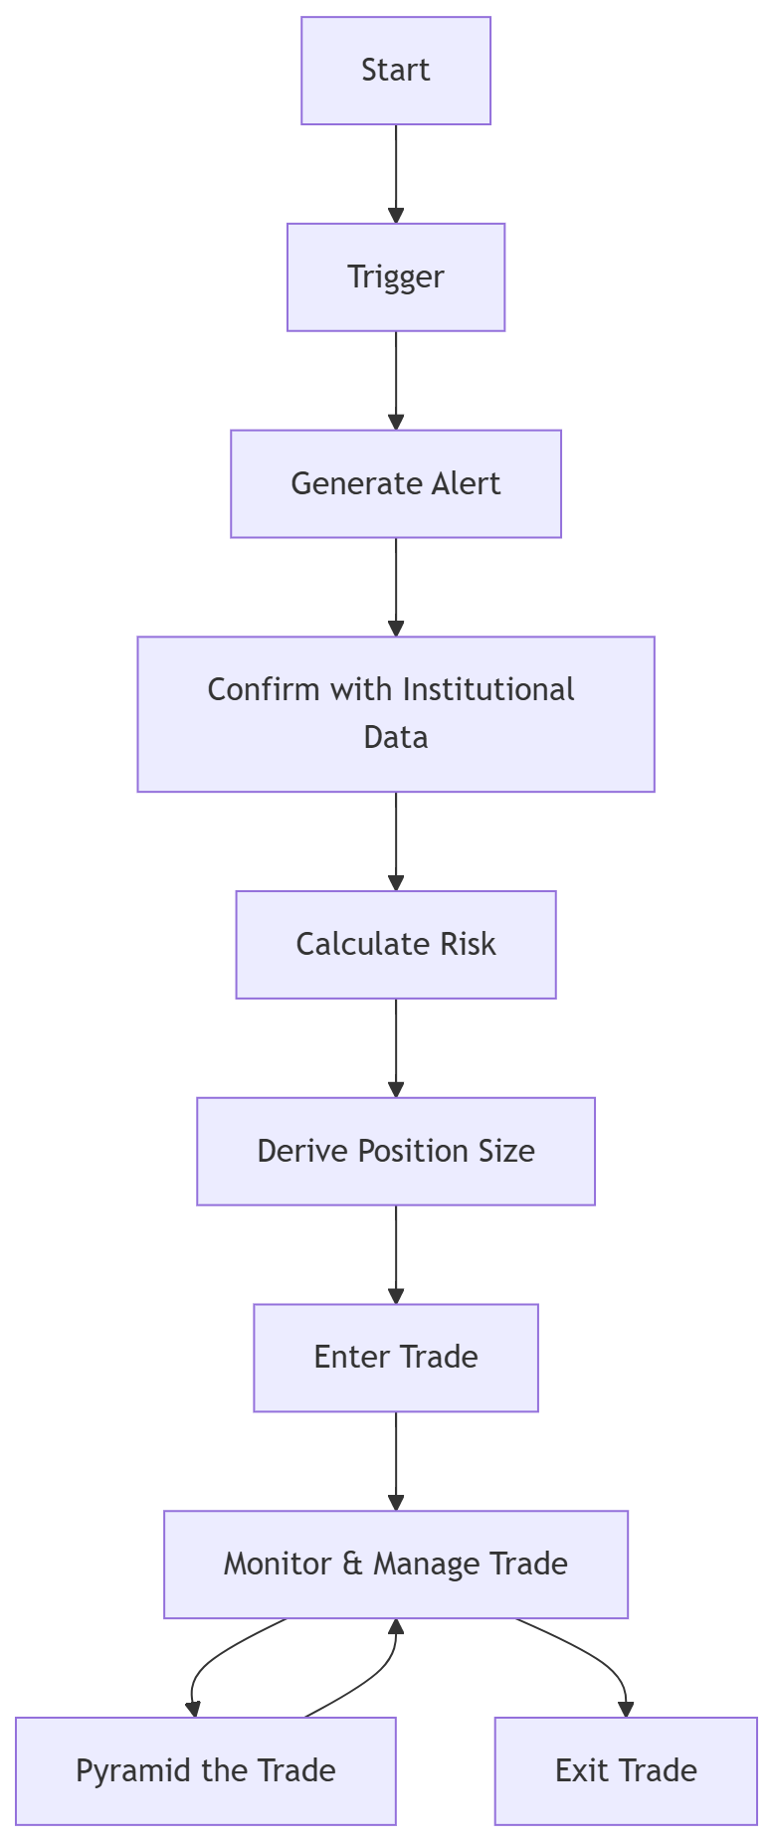

 | Abbrevations | Full Name | Descripion | Code ref
1 | Exp Move |  | Min price change of candle based on VIX related calculation | TrapXState :: expected_move_1min
2 | LIS | Line in the Sand | Candle with larger body, like > 85% body and price > Day's max expected in a minute for the day
3 | PDL | Prev Day Low
4 | PDH | Prev Day High
5 | PDC | Prev Day Close
6 | Pyramid |  | Increase the position size, or Top-UP
7 | ATM | At The Money
8 | OTM | Out Of The Money
9 | ITM | In The Money
10 | SL | Stop Loss
11 | OHLC | Open High Low Close
12 | CE | Call instrument
13 | PE | Put instrument
14 | Fut | Index futures
15 | Options | Call and Put Options
16 | Instruments | CE, PE or Futures
17 | Exp | Expiry Date
18 | Fibo | Fibonacci retracement
19 | OI | Open Interest
20 | Jerk | % of change in the Trending OI
21 | EMA | Exponential Moving Average
22 | Squeeze |  | ITM making -ve % change of OI && same OTM making +ve % change of OI
23

